Folha1
STOCK SOCKS KAPPA
 |  |  | 35/38 | 39/42 | 43/45 | Total
KEIPO | Black |  | 154 | 0 | 0 | 154
 | White |  | 40 | 576 | 980 | 1596
 | Lt.Grey |  | 178 | 780 | 1419 | 2377
 | Mix (Black/White/Lt Grey) |  | 0 | 0 | 0 | 0
SAPOBLA | Mix 1 (Red/Limeade/Lilac) |  | 0 | 64 | 60 | 124
 | Mix 2 (Black/Blue/Marine) |  | 20 | 304 | 0 | 324
SACOMA | Black |  | 0 | 0 | 199 | 199
 | White |  | 0 | 80 | 479 | 559
 | Lt.Grey |  | 0 | 380 | 1079 | 1459
 | Mix (Black/White/Md Grey) |  | 0 | 0 | 0 | 0
FARAH | Black | 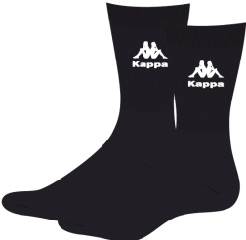 | 0 | 0 | 0 | 0
 | Dress Blues |  | 194 | 0 | 696 | 890
 | Lt.Grey |  | 0 | 0 | 0 | 0
 | Mix (Black/White/Md Grey) |  | 0 | 34 | 102 | 136
SABOYA | Black |  | 399 | 1697 | 1520 | 3616
 | Lt.Grey |  | 0 | 240 | 718 | 958
 | Mix (Black/White/Md Grey) |  | 0 | 0 | 0 | 0

 |  |  |  |  |  | 12392

